Sheet1
Test Case ID |  | TC_Practical-001 | Test Case Desc |  | Test the functuionality of Windows Notepad Application
Created By |  | Pratiksha Ramteke | Reviewed By | Trisharna |  |  | Version |  | 1.0
Tester's Name |  |  | Date Tested |  |  |  | Test Case Status (Passed/Failed/NE)

# | Prerequisites: |  |  |  | # | Test Data
1 | Windows OS |  |  |  | 1
2 | Notepad Aplication |  |  |  | 2
3 |  |  |  |  | 3
4 |  |  |  |  | 4

Test Scenario | Test entire functionality of Windows Notepad application

Step # | Step Details |  | Expected Results |  | Actual Results |  |  | Pass / Fail / Not executed / Suspended
1 | Search for the notepad application |  | Verify that you see this Application
2 | Click on the notepad Application |  | 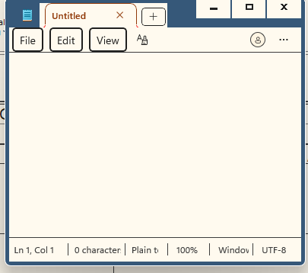 Notepad application is open
3 | Click on the file Menu |  | 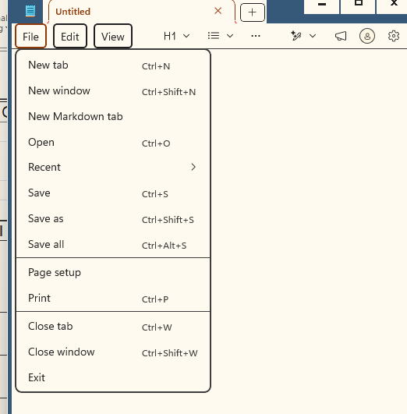 Make sure that the all menu are available in the file menu
4 | Click on the Edit Menu |  | Make sure that the all menu are available in the edit menu
5 | Click on the View Menu and check the zoom option |  | 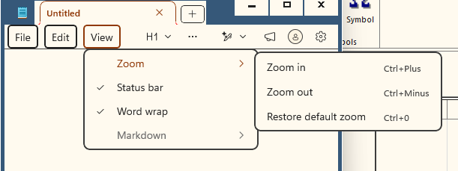 Make sure that the zoom menu are available in the view menu
6 | Type the name Hello in the file |  | Verify that you see the dialogue in the file
7 | Click on file then select the New window |  | Verify that the new Notepad window open in the the desktop
8
9
10
11
12
13
14
15
16
17
18
19
20

